dash bord
How many accidents occur each year
year | Count of Data
2016 | 282 |  | year | Count of Data
2017 | 134 |  | 2016 | 282
Grand Total | 416 |  | 2017 | 134
 |  |  | Grand Total | 416
Are accidents increasing or decreasing over time
month | Count of Data
01 | 39
02 | 61
03 | 50 |  |  | Count of Accident Level | Potential Accident Level
04 | 50 |  |  | Accident Level | I | II | III | IV | V | VI | Grand Total
05 | 40 |  |  | I | 42 | 88 | 89 | 77 | 9 |  | 305
06 | 50 |  |  | II |  | 7 | 14 | 16 | 3 |  | 40
07 | 24 |  |  | III |  |  | 3 | 26 | 2 |  | 31
08 | 21 |  |  | IV |  |  |  | 21 | 10 |  | 31
09 | 24 |  |  | V |  |  |  |  | 8 | 1 | 9
10 | 21 |  |  | Grand Total | 42 | 95 | 106 | 140 | 32 | 1 | 416
11 | 13
12 | 23
Grand Total | 416

Which country has the highest number of accidents?
Countries | Count of Accident Level
Country_01 | 247
Country_02 | 131
Country_03 | 38
Grand Total | 416

Which industry has the highest number of accidents?
Industry Sector | Count of Accident Level
Metals | 136
Mining | 236
Others | 44
Grand Total | 416

Which gender has the highest number of accidents?
Genre | Count of Accident Level
Female | 22
Male | 394
Grand Total | 416

Which employee has the highest number of accidents?
Employee or Third Party | Count of Accident Level
Employee | 180
Third Party | 182
Third Party (Remote) | 54
Grand Total | 416

industry has the most severe accidents
Employee or Third Party | Accident Level | Count of Accident Level
Employee | V | 1 |  |  | What are the most top 10 common critical risks
Employee Total |  | 1 |  |  | Critical Risk | Count of Accident Level
Third Party | V | 6 |  |  | Others | 229
Third Party Total |  | 6 |  |  | Pressed | 24
Third Party (Remote) | V | 2 |  |  | Manual Tools | 20
Third Party (Remote) Total |  | 2 |  |  | Chemical substances | 17
Grand Total |  | 9 |  |  | Cut | 14
 |  |  |  |  | Venomous Animals | 13
 |  |  |  |  | Projection | 13
 |  |  |  |  | Fall | 9
 |  |  |  |  | Vehicles and Mobile Equipment | 8
 |  |  |  |  | remains of choco | 7
 |  |  |  |  | Pressurized Systems | 7
 |  |  |  |  | Fall prevention (same level) | 7
 |  |  |  |  | Bees | 7
 |  |  |  |  | Grand Total | 375

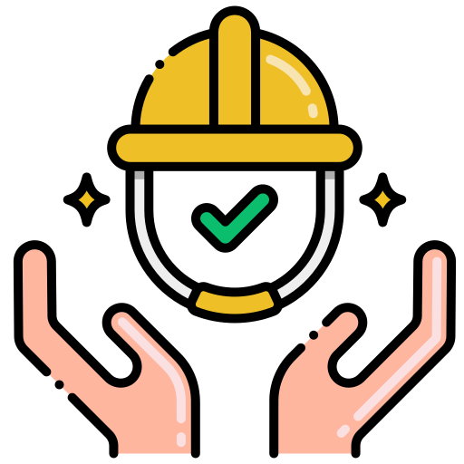
Workplace Risk & Accident Insights Dashboard

📊 Total Accidents
⚠️Severe Accidents
👷High-Risk Worker
☠️Top Critical Risk

416
9
Third Party
other

Total Workplace Accidents by Year
Monthly Workplace Accident Trend

Accidents by Country
Accidents by Industry Sector

Severe Accidents by Worker Type
Total Accidents by Worker Type

Top 10 Critical Risks
Accidents by Gender

Near Miss
 | I | II | III | IV | V | VI
I | 42 | 88 | 89 | 77 | 9
II |  | 7 | 14 | 16 | 3
III |  |  | 3 | 26 | 2
IV |  |  |  | 21 | 10
V |  |  |  |  | 8 | 1

